3_Cắt Layout Trang Chủ
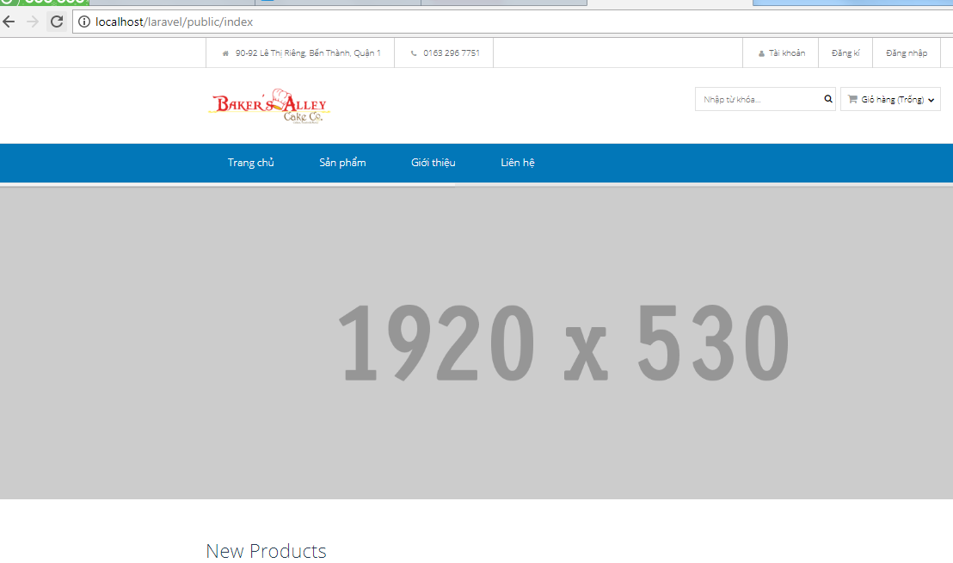
 | Cắt Layout Trang Chủ từ html sang Laravel

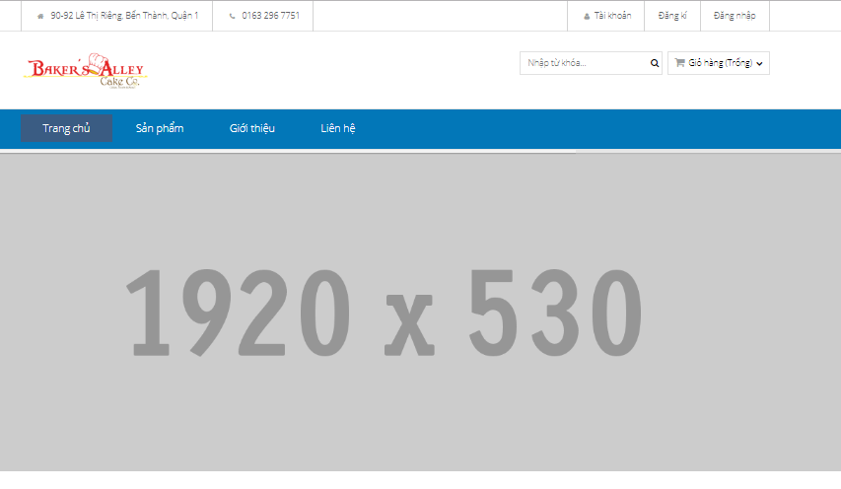

 |  |  |  |  | 0.14

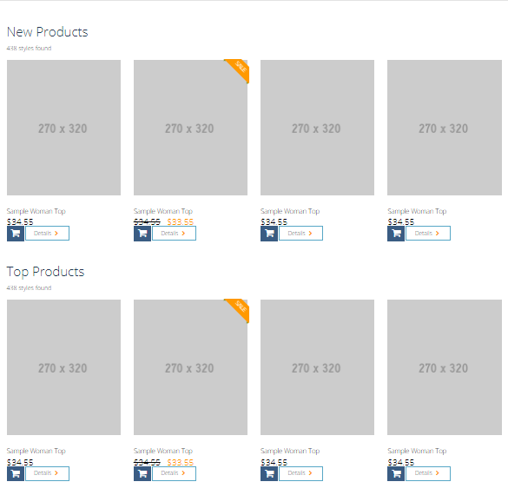

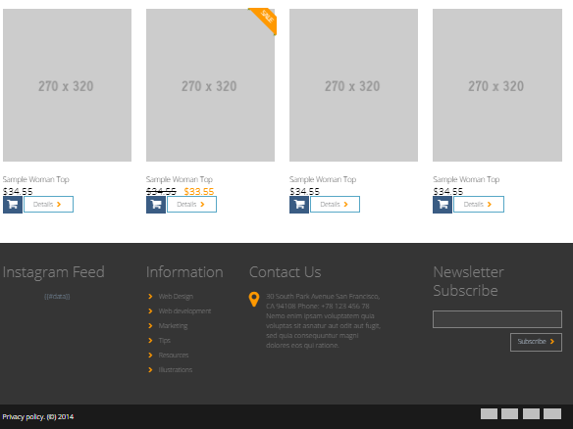

 | Thuc hien tao thu muc Source: de chua cac thu muc con va file con

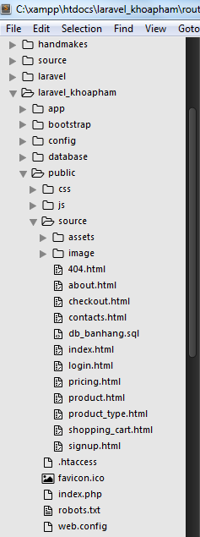
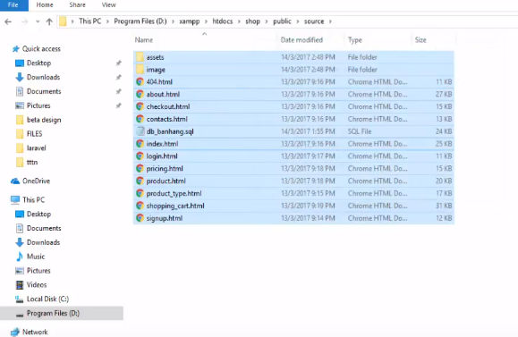
 |  |  |  |  |  |  | 1

 |  |  |  |  |  | 2.88

 | Thuc hien tao mot file moi trong thu muc View: master.blade.php

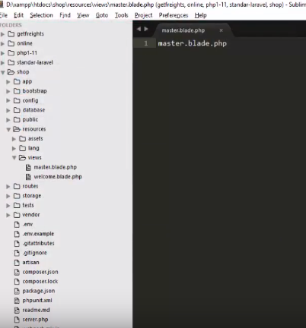

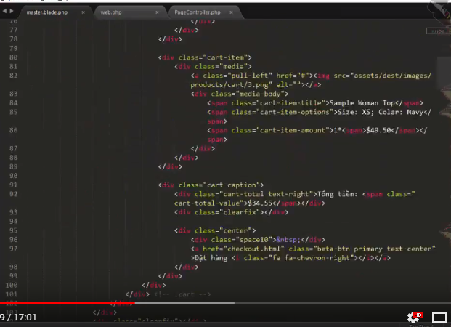
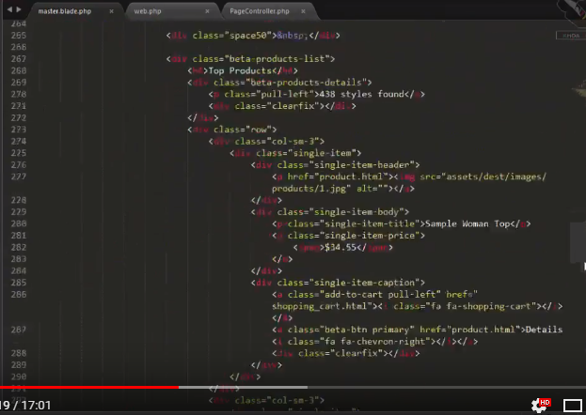

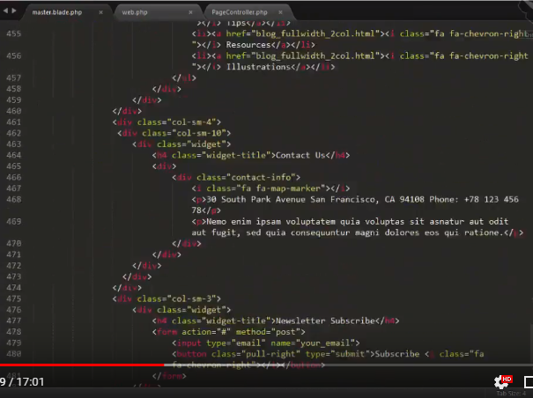
 | Mo thu muc resource co trong thu muc public, roichon file index.html, roi thuc hien copy noi dung da bien soan san nay roi Dan(paste) vao trong master.blade.php

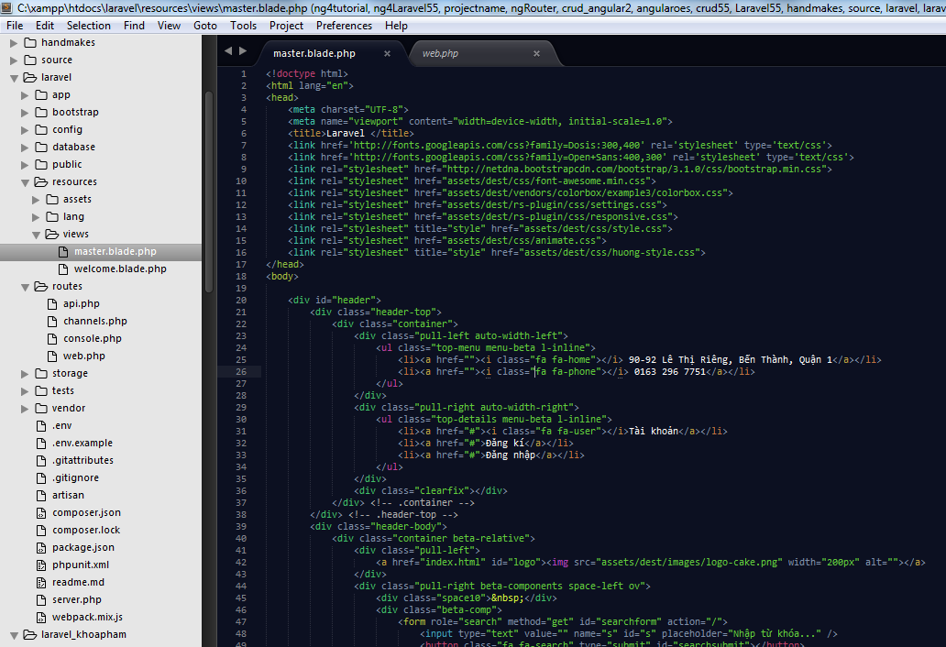
 | .

<!doctype html>
<html lang="en">
<head>
<meta charset="UTF-8">
<meta name="viewport" content="width=device-width, initial-scale=1.0">
<title>Laravel </title>
<link href='http://fonts.googleapis.com/css?family=Dosis:300,400' rel='stylesheet' type='text/css'>
<link href='http://fonts.googleapis.com/css?family=Open+Sans:400,300' rel='stylesheet' type='text/css'>
<link rel="stylesheet" href="http://netdna.bootstrapcdn.com/bootstrap/3.1.0/css/bootstrap.min.css">
<link rel="stylesheet" href="assets/dest/css/font-awesome.min.css">
<link rel="stylesheet" href="assets/dest/vendors/colorbox/example3/colorbox.css">
<link rel="stylesheet" href="assets/dest/rs-plugin/css/settings.css">
<link rel="stylesheet" href="assets/dest/rs-plugin/css/responsive.css">
<link rel="stylesheet" title="style" href="assets/dest/css/style.css">
<link rel="stylesheet" href="assets/dest/css/animate.css">
<link rel="stylesheet" title="style" href="assets/dest/css/huong-style.css">
</head>
<body>
<div id="header">
<div class="header-top">
<div class="container">
<div class="pull-left auto-width-left">
<ul class="top-menu menu-beta l-inline">
<li><a href=""><i class="fa fa-home"></i> 90-92 Lê Thị Riêng, Bến Thành, Quận 1</a></li>
<li><a href=""><i class="fa fa-phone"></i> 0163 296 7751</a></li>
</ul>
</div>
<div class="pull-right auto-width-right">
<ul class="top-details menu-beta l-inline">
<li><a href="#"><i class="fa fa-user"></i>Tài khoản</a></li>
<li><a href="#">Đăng kí</a></li>
<li><a href="#">Đăng nhập</a></li>
</ul>
</div>
<div class="clearfix"></div>
</div> <!-- .container -->
</div> <!-- .header-top -->
<div class="header-body">
<div class="container beta-relative">
<div class="pull-left">
<a href="index.html" id="logo"><img src="assets/dest/images/logo-cake.png" width="200px" alt=""></a>
</div>
<div class="pull-right beta-components space-left ov">
<div class="space10">&nbsp;</div>
<div class="beta-comp">
<form role="search" method="get" id="searchform" action="/">
<input type="text" value="" name="s" id="s" placeholder="Nhập từ khóa..." />
<button class="fa fa-search" type="submit" id="searchsubmit"></button>
</form>
</div>
<div class="beta-comp">
<div class="cart">
<div class="beta-select"><i class="fa fa-shopping-cart"></i> Giỏ hàng (Trống) <i class="fa fa-chevron-down"></i></div>
<div class="beta-dropdown cart-body">
<div class="cart-item">
<div class="media">
<a class="pull-left" href="#"><img src="assets/dest/images/products/cart/1.png" alt=""></a>
<div class="media-body">
<span class="cart-item-title">Sample Woman Top</span>
<span class="cart-item-options">Size: XS; Colar: Navy</span>
<span class="cart-item-amount">1*<span>$49.50</span></span>
</div>
</div>
</div>
<div class="cart-item">
<div class="media">
<a class="pull-left" href="#"><img src="assets/dest/images/products/cart/2.png" alt=""></a>
<div class="media-body">
<span class="cart-item-title">Sample Woman Top</span>
<span class="cart-item-options">Size: XS; Colar: Navy</span>
<span class="cart-item-amount">1*<span>$49.50</span></span>
</div>
</div>
</div>
<div class="cart-item">
<div class="media">
<a class="pull-left" href="#"><img src="assets/dest/images/products/cart/3.png" alt=""></a>
<div class="media-body">
<span class="cart-item-title">Sample Woman Top</span>
<span class="cart-item-options">Size: XS; Colar: Navy</span>
<span class="cart-item-amount">1*<span>$49.50</span></span>
</div>
</div>
</div>
<div class="cart-caption">
<div class="cart-total text-right">Tổng tiền: <span class="cart-total-value">$34.55</span></div>
<div class="clearfix"></div>
<div class="center">
<div class="space10">&nbsp;</div>
<a href="checkout.html" class="beta-btn primary text-center">Đặt hàng <i class="fa fa-chevron-right"></i></a>
</div>
</div>
</div>
</div> <!-- .cart -->
</div>
</div>
<div class="clearfix"></div>
</div> <!-- .container -->
</div> <!-- .header-body -->
<div class="header-bottom" style="background-color: #0277b8;">
<div class="container">
<a class="visible-xs beta-menu-toggle pull-right" href="#"><span class='beta-menu-toggle-text'>Menu</span> <i class="fa fa-bars"></i></a>
<div class="visible-xs clearfix"></div>
<nav class="main-menu">
<ul class="l-inline ov">
<li><a href="index.html">Trang chủ</a></li>
<li><a href="#">Sản phẩm</a>
<ul class="sub-menu">
<li><a href="product_type.html">Sản phẩm 1</a></li>
<li><a href="product_type.html">Sản phẩm 2</a></li>
<li><a href="product_type.html">Sản phẩm 4</a></li>
</ul>
</li>
<li><a href="about.html">Giới thiệu</a></li>
<li><a href="contacts.html">Liên hệ</a></li>
</ul>
<div class="clearfix"></div>
</nav>
</div> <!-- .container -->
</div> <!-- .header-bottom -->
</div> <!-- #header -->
<div class="rev-slider">
<div class="fullwidthbanner-container">
<div class="fullwidthbanner">
<div class="bannercontainer" >
<div class="banner" >
<ul>
<!-- THE FIRST SLIDE -->
<li data-transition="boxfade" data-slotamount="20" class="active-revslide" style="width: 100%; height: 100%; overflow: hidden; z-index: 18; visibility: hidden; opacity: 0;">
<div class="slotholder" style="width:100%;height:100%;" data-duration="undefined" data-zoomstart="undefined" data-zoomend="undefined" data-rotationstart="undefined" data-rotationend="undefined" data-ease="undefined" data-bgpositionend="undefined" data-bgposition="undefined" data-kenburns="undefined" data-easeme="undefined" data-bgfit="undefined" data-bgfitend="undefined" data-owidth="undefined" data-oheight="undefined">
<div class="tp-bgimg defaultimg" data-lazyload="undefined" data-bgfit="cover" data-bgposition="center center" data-bgrepeat="no-repeat" data-lazydone="undefined" src="assets/dest/images/thumbs/1.jpg" data-src="assets/dest/images/thumbs/1.jpg" style="background-color: rgba(0, 0, 0, 0); background-repeat: no-repeat; background-image: url('assets/dest/images/thumbs/1.jpg'); background-size: cover; background-position: center center; width: 100%; height: 100%; opacity: 1; visibility: inherit;">
</div>
</div>
</li>
<li data-transition="boxfade" data-slotamount="20" class="active-revslide" style="width: 100%; height: 100%; overflow: hidden; z-index: 18; visibility: hidden; opacity: 0;">
<div class="slotholder" style="width:100%;height:100%;" data-duration="undefined" data-zoomstart="undefined" data-zoomend="undefined" data-rotationstart="undefined" data-rotationend="undefined" data-ease="undefined" data-bgpositionend="undefined" data-bgposition="undefined" data-kenburns="undefined" data-easeme="undefined" data-bgfit="undefined" data-bgfitend="undefined" data-owidth="undefined" data-oheight="undefined">
<div class="tp-bgimg defaultimg" data-lazyload="undefined" data-bgfit="cover" data-bgposition="center center" data-bgrepeat="no-repeat" data-lazydone="undefined" src="assets/dest/images/thumbs/1.jpg" data-src="assets/dest/images/thumbs/1.jpg" style="background-color: rgba(0, 0, 0, 0); background-repeat: no-repeat; background-image: url('assets/dest/images/thumbs/1.jpg'); background-size: cover; background-position: center center; width: 100%; height: 100%; opacity: 1; visibility: inherit;">
</div>
</div>
<li data-transition="boxfade" data-slotamount="20" class="active-revslide" style="width: 100%; height: 100%; overflow: hidden; z-index: 18; visibility: hidden; opacity: 0;">
<div class="slotholder" style="width:100%;height:100%;" data-duration="undefined" data-zoomstart="undefined" data-zoomend="undefined" data-rotationstart="undefined" data-rotationend="undefined" data-ease="undefined" data-bgpositionend="undefined" data-bgposition="undefined" data-kenburns="undefined" data-easeme="undefined" data-bgfit="undefined" data-bgfitend="undefined" data-owidth="undefined" data-oheight="undefined">
<div class="tp-bgimg defaultimg" data-lazyload="undefined" data-bgfit="cover" data-bgposition="center center" data-bgrepeat="no-repeat" data-lazydone="undefined" src="assets/dest/images/thumbs/1.jpg" data-src="assets/dest/images/thumbs/1.jpg" style="background-color: rgba(0, 0, 0, 0); background-repeat: no-repeat; background-image: url('assets/dest/images/thumbs/1.jpg'); background-size: cover; background-position: center center; width: 100%; height: 100%; opacity: 1; visibility: inherit;">
</div>
</div>
</li>
<li data-transition="boxfade" data-slotamount="20" class="active-revslide current-sr-slide-visible" style="width: 100%; height: 100%; overflow: hidden; visibility: inherit; opacity: 1; z-index: 20;">
<div class="slotholder" style="width:100%;height:100%;" data-duration="undefined" data-zoomstart="undefined" data-zoomend="undefined" data-rotationstart="undefined" data-rotationend="undefined" data-ease="undefined" data-bgpositionend="undefined" data-bgposition="undefined" data-kenburns="undefined" data-easeme="undefined" data-bgfit="undefined" data-bgfitend="undefined" data-owidth="undefined" data-oheight="undefined">
<div class="tp-bgimg defaultimg" data-lazyload="undefined" data-bgfit="cover" data-bgposition="center center" data-bgrepeat="no-repeat" data-lazydone="undefined" src="assets/dest/images/thumbs/1.jpg" data-src="assets/dest/images/thumbs/1.jpg" style="background-color: rgba(0, 0, 0, 0); background-repeat: no-repeat; background-image: url('assets/dest/images/thumbs/1.jpg'); background-size: cover; background-position: center center; width: 100%; height: 100%; opacity: 1; visibility: inherit;">
</div>
</div>
</li>
</ul>
</div>
</div>
<div class="tp-bannertimer"></div>
</div>
</div>
<!--slider-->
</div>
<div class="container">
<div id="content" class="space-top-none">
<div class="main-content">
<div class="space60">&nbsp;</div>
<div class="row">
<div class="col-sm-12">
<div class="beta-products-list">
<h4>New Products</h4>
<div class="beta-products-details">
<p class="pull-left">438 styles found</p>
<div class="clearfix"></div>
</div>
<div class="row">
<div class="col-sm-3">
<div class="single-item">
<div class="single-item-header">
<a href="product.html"><img src="assets/dest/images/products/1.jpg" alt=""></a>
</div>
<div class="single-item-body">
<p class="single-item-title">Sample Woman Top</p>
<p class="single-item-price">
<span>$34.55</span>
</p>
</div>
<div class="single-item-caption">
<a class="add-to-cart pull-left" href="shopping_cart.html"><i class="fa fa-shopping-cart"></i></a>
<a class="beta-btn primary" href="product.html">Details <i class="fa fa-chevron-right"></i></a>
<div class="clearfix"></div>
</div>
</div>
</div>
<div class="col-sm-3">
<div class="single-item">
<div class="ribbon-wrapper"><div class="ribbon sale">Sale</div></div>
<div class="single-item-header">
<a href="product.html"><img src="assets/dest/images/products/2.jpg" alt=""></a>
</div>
<div class="single-item-body">
<p class="single-item-title">Sample Woman Top</p>
<p class="single-item-price">
<span class="flash-del">$34.55</span>
<span class="flash-sale">$33.55</span>
</p>
</div>
<div class="single-item-caption">
<a class="add-to-cart pull-left" href="shopping_cart.html"><i class="fa fa-shopping-cart"></i></a>
<a class="beta-btn primary" href="product.html">Details <i class="fa fa-chevron-right"></i></a>
<div class="clearfix"></div>
</div>
</div>
</div>
<div class="col-sm-3">
<div class="single-item">
<div class="single-item-header">
<a href="product.html"><img src="assets/dest/images/products/3.jpg" alt=""></a>
</div>
<div class="single-item-body">
<p class="single-item-title">Sample Woman Top</p>
<p class="single-item-price">
<span>$34.55</span>
</p>
</div>
<div class="single-item-caption">
<a class="add-to-cart pull-left" href="shopping_cart.html"><i class="fa fa-shopping-cart"></i></a>
<a class="beta-btn primary" href="product.html">Details <i class="fa fa-chevron-right"></i></a>
<div class="clearfix"></div>
</div>
</div>
</div>
<div class="col-sm-3">
<div class="single-item">
<div class="single-item-header">
<a href="product.html"><img src="assets/dest/images/products/3.jpg" alt=""></a>
</div>
<div class="single-item-body">
<p class="single-item-title">Sample Woman Top</p>
<p class="single-item-price">
<span>$34.55</span>
</p>
</div>
<div class="single-item-caption">
<a class="add-to-cart pull-left" href="shopping_cart.html"><i class="fa fa-shopping-cart"></i></a>
<a class="beta-btn primary" href="product.html">Details <i class="fa fa-chevron-right"></i></a>
<div class="clearfix"></div>
</div>
</div>
</div>
</div>
</div> <!-- .beta-products-list -->
<div class="space50">&nbsp;</div>
<div class="beta-products-list">
<h4>Top Products</h4>
<div class="beta-products-details">
<p class="pull-left">438 styles found</p>
<div class="clearfix"></div>
</div>
<div class="row">
<div class="col-sm-3">
<div class="single-item">
<div class="single-item-header">
<a href="product.html"><img src="assets/dest/images/products/1.jpg" alt=""></a>
</div>
<div class="single-item-body">
<p class="single-item-title">Sample Woman Top</p>
<p class="single-item-price">
<span>$34.55</span>
</p>
</div>
<div class="single-item-caption">
<a class="add-to-cart pull-left" href="shopping_cart.html"><i class="fa fa-shopping-cart"></i></a>
<a class="beta-btn primary" href="product.html">Details <i class="fa fa-chevron-right"></i></a>
<div class="clearfix"></div>
</div>
</div>
</div>
<div class="col-sm-3">
<div class="single-item">
<div class="ribbon-wrapper"><div class="ribbon sale">Sale</div></div>
<div class="single-item-header">
<a href="product.html"><img src="assets/dest/images/products/2.jpg" alt=""></a>
</div>
<div class="single-item-body">
<p class="single-item-title">Sample Woman Top</p>
<p class="single-item-price">
<span class="flash-del">$34.55</span>
<span class="flash-sale">$33.55</span>
</p>
</div>
<div class="single-item-caption">
<a class="add-to-cart pull-left" href="shopping_cart.html"><i class="fa fa-shopping-cart"></i></a>
<a class="beta-btn primary" href="product.html">Details <i class="fa fa-chevron-right"></i></a>
<div class="clearfix"></div>
</div>
</div>
</div>
<div class="col-sm-3">
<div class="single-item">
<div class="single-item-header">
<a href="product.html"><img src="assets/dest/images/products/3.jpg" alt=""></a>
</div>
<div class="single-item-body">
<p class="single-item-title">Sample Woman Top</p>
<p class="single-item-price">
<span>$34.55</span>
</p>
</div>
<div class="single-item-caption">
<a class="add-to-cart pull-left" href="shopping_cart.html"><i class="fa fa-shopping-cart"></i></a>
<a class="beta-btn primary" href="product.html">Details <i class="fa fa-chevron-right"></i></a>
<div class="clearfix"></div>
</div>
</div>
</div>
<div class="col-sm-3">
<div class="single-item">
<div class="single-item-header">
<a href="product.html"><img src="assets/dest/images/products/3.jpg" alt=""></a>
</div>
<div class="single-item-body">
<p class="single-item-title">Sample Woman Top</p>
<p class="single-item-price">
<span>$34.55</span>
</p>
</div>
<div class="single-item-caption">
<a class="add-to-cart pull-left" href="shopping_cart.html"><i class="fa fa-shopping-cart"></i></a>
<a class="beta-btn primary" href="product.html">Details <i class="fa fa-chevron-right"></i></a>
<div class="clearfix"></div>
</div>
</div>
</div>
</div>
<div class="space40">&nbsp;</div>
<div class="row">
<div class="col-sm-3">
<div class="single-item">
<div class="single-item-header">
<a href="product.html"><img src="assets/dest/images/products/1.jpg" alt=""></a>
</div>
<div class="single-item-body">
<p class="single-item-title">Sample Woman Top</p>
<p class="single-item-price">
<span>$34.55</span>
</p>
</div>
<div class="single-item-caption">
<a class="add-to-cart pull-left" href="shopping_cart.html"><i class="fa fa-shopping-cart"></i></a>
<a class="beta-btn primary" href="product.html">Details <i class="fa fa-chevron-right"></i></a>
<div class="clearfix"></div>
</div>
</div>
</div>
<div class="col-sm-3">
<div class="single-item">
<div class="ribbon-wrapper"><div class="ribbon sale">Sale</div></div>
<div class="single-item-header">
<a href="product.html"><img src="assets/dest/images/products/2.jpg" alt=""></a>
</div>
<div class="single-item-body">
<p class="single-item-title">Sample Woman Top</p>
<p class="single-item-price">
<span class="flash-del">$34.55</span>
<span class="flash-sale">$33.55</span>
</p>
</div>
<div class="single-item-caption">
<a class="add-to-cart pull-left" href="shopping_cart.html"><i class="fa fa-shopping-cart"></i></a>
<a class="beta-btn primary" href="product.html">Details <i class="fa fa-chevron-right"></i></a>
<div class="clearfix"></div>
</div>
</div>
</div>
<div class="col-sm-3">
<div class="single-item">
<div class="single-item-header">
<a href="product.html"><img src="assets/dest/images/products/3.jpg" alt=""></a>
</div>
<div class="single-item-body">
<p class="single-item-title">Sample Woman Top</p>
<p class="single-item-price">
<span>$34.55</span>
</p>
</div>
<div class="single-item-caption">
<a class="add-to-cart pull-left" href="shopping_cart.html"><i class="fa fa-shopping-cart"></i></a>
<a class="beta-btn primary" href="product.html">Details <i class="fa fa-chevron-right"></i></a>
<div class="clearfix"></div>
</div>
</div>
</div>
<div class="col-sm-3">
<div class="single-item">
<div class="single-item-header">
<a href="product.html"><img src="assets/dest/images/products/3.jpg" alt=""></a>
</div>
<div class="single-item-body">
<p class="single-item-title">Sample Woman Top</p>
<p class="single-item-price">
<span>$34.55</span>
</p>
</div>
<div class="single-item-caption">
<a class="add-to-cart pull-left" href="shopping_cart.html"><i class="fa fa-shopping-cart"></i></a>
<a class="beta-btn primary" href="product.html">Details <i class="fa fa-chevron-right"></i></a>
<div class="clearfix"></div>
</div>
</div>
</div>
</div>
</div> <!-- .beta-products-list -->
</div>
</div> <!-- end section with sidebar and main content -->
</div> <!-- .main-content -->
</div> <!-- #content -->
</div> <!-- .container -->
<div id="footer" class="color-div">
<div class="container">
<div class="row">
<div class="col-sm-3">
<div class="widget">
<h4 class="widget-title">Instagram Feed</h4>
<div id="beta-instagram-feed"><div></div></div>
</div>
</div>
<div class="col-sm-2">
<div class="widget">
<h4 class="widget-title">Information</h4>
<div>
<ul>
<li><a href="blog_fullwidth_2col.html"><i class="fa fa-chevron-right"></i> Web Design</a></li>
<li><a href="blog_fullwidth_2col.html"><i class="fa fa-chevron-right"></i> Web development</a></li>
<li><a href="blog_fullwidth_2col.html"><i class="fa fa-chevron-right"></i> Marketing</a></li>
<li><a href="blog_fullwidth_2col.html"><i class="fa fa-chevron-right"></i> Tips</a></li>
<li><a href="blog_fullwidth_2col.html"><i class="fa fa-chevron-right"></i> Resources</a></li>
<li><a href="blog_fullwidth_2col.html"><i class="fa fa-chevron-right"></i> Illustrations</a></li>
</ul>
</div>
</div>
</div>
<div class="col-sm-4">
<div class="col-sm-10">
<div class="widget">
<h4 class="widget-title">Contact Us</h4>
<div>
<div class="contact-info">
<i class="fa fa-map-marker"></i>
<p>30 South Park Avenue San Francisco, CA 94108 Phone: +78 123 456 78</p>
<p>Nemo enim ipsam voluptatem quia voluptas sit asnatur aut odit aut fugit, sed quia consequuntur magni dolores eos qui ratione.</p>
</div>
</div>
</div>
</div>
</div>
<div class="col-sm-3">
<div class="widget">
<h4 class="widget-title">Newsletter Subscribe</h4>
<form action="#" method="post">
<input type="email" name="your_email">
<button class="pull-right" type="submit">Subscribe <i class="fa fa-chevron-right"></i></button>
</form>
</div>
</div>
</div> <!-- .row -->
</div> <!-- .container -->
</div> <!-- #footer -->
<div class="copyright">
<div class="container">
<p class="pull-left">Privacy policy. (&copy;) 2014</p>
<p class="pull-right pay-options">
<a href="#"><img src="assets/dest/images/pay/master.jpg" alt="" /></a>
<a href="#"><img src="assets/dest/images/pay/pay.jpg" alt="" /></a>
<a href="#"><img src="assets/dest/images/pay/visa.jpg" alt="" /></a>
<a href="#"><img src="assets/dest/images/pay/paypal.jpg" alt="" /></a>
</p>
<div class="clearfix"></div>
</div> <!-- .container -->
</div> <!-- .copyright -->
<!-- include js files -->
<script src="assets/dest/js/jquery.js"></script>
<script src="assets/dest/vendors/jqueryui/jquery-ui-1.10.4.custom.min.js"></script>
<script src="http://netdna.bootstrapcdn.com/bootstrap/3.1.0/js/bootstrap.min.js"></script>
<script src="assets/dest/vendors/bxslider/jquery.bxslider.min.js"></script>
<script src="assets/dest/vendors/colorbox/jquery.colorbox-min.js"></script>
<script src="assets/dest/vendors/animo/Animo.js"></script>
<script src="assets/dest/vendors/dug/dug.js"></script>
<script src="assets/dest/js/scripts.min.js"></script>
<script src="assets/dest/rs-plugin/js/jquery.themepunch.tools.min.js"></script>
<script src="assets/dest/rs-plugin/js/jquery.themepunch.revolution.min.js"></script>
<script src="assets/dest/js/waypoints.min.js"></script>
<script src="assets/dest/js/wow.min.js"></script>
<!--customjs-->
<script src="assets/dest/js/custom2.js"></script>
<script>
$(document).ready(function($) {
$(window).scroll(function(){
if($(this).scrollTop()>150){
$(".header-bottom").addClass('fixNav')
}else{
$(".header-bottom").removeClass('fixNav')
}}
)
})
</script>
</body>
</html>

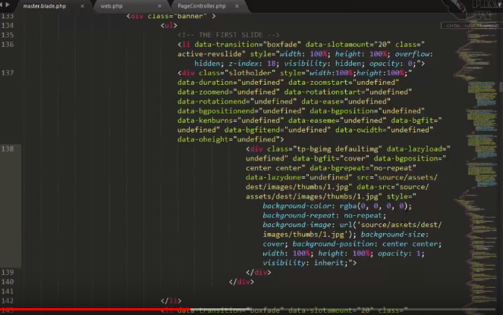
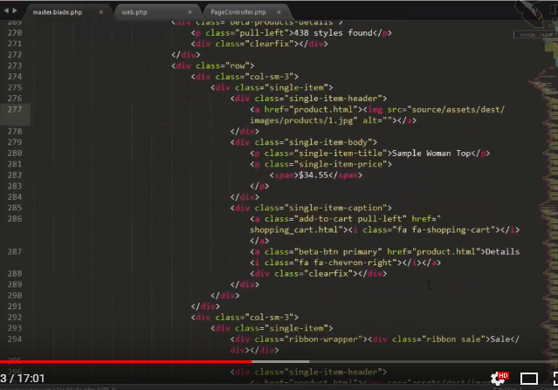
 | Tien hanh tao mot Controller co ten la PageController

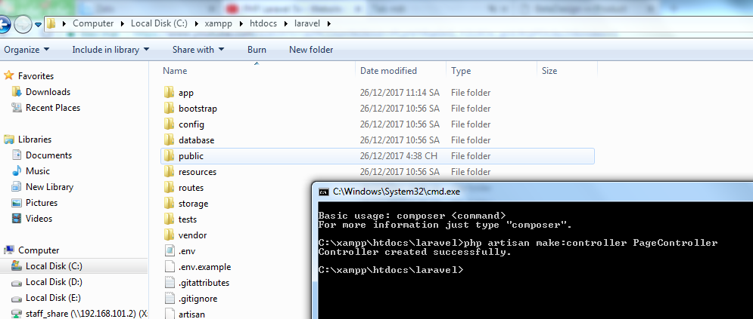

 | Vao controller moi va tao, thuc hien tao 1 fuction getIndex(). Function nay co chuc nang tra ve view('master')

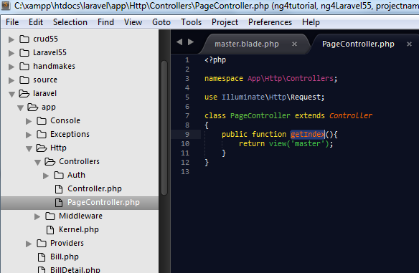

 |  |  |  |  |  | <?php

 |  |  |  |  |  | namespace App\Http\Controllers;
Ham getIndex(): dung de lay noi dung hien thi cho toan bo trang chu
 |  |  |  |  |  | use Illuminate\Http\Request; |  | a

 |  |  |  |  |  | class PageController extends Controller
 |  |  |  |  |  | {
 |  |  |  |  |  | public function getIndex(){
 |  |  |  |  |  |  | return view('master');
 |  |  |  |  |  | }
 |  |  |  |  |  | }

 | Tiep tuc, vao route de dinh duong dan cho no chay file view nay

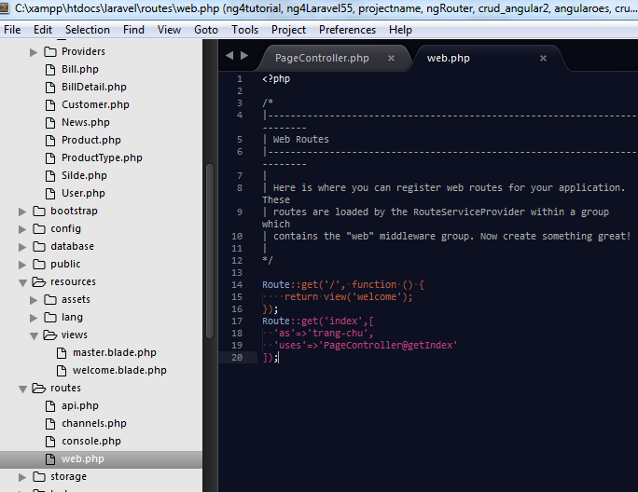

 | Chung ta tien hanh chay thu file master nay( file nay lam trang chu sau nay nhe

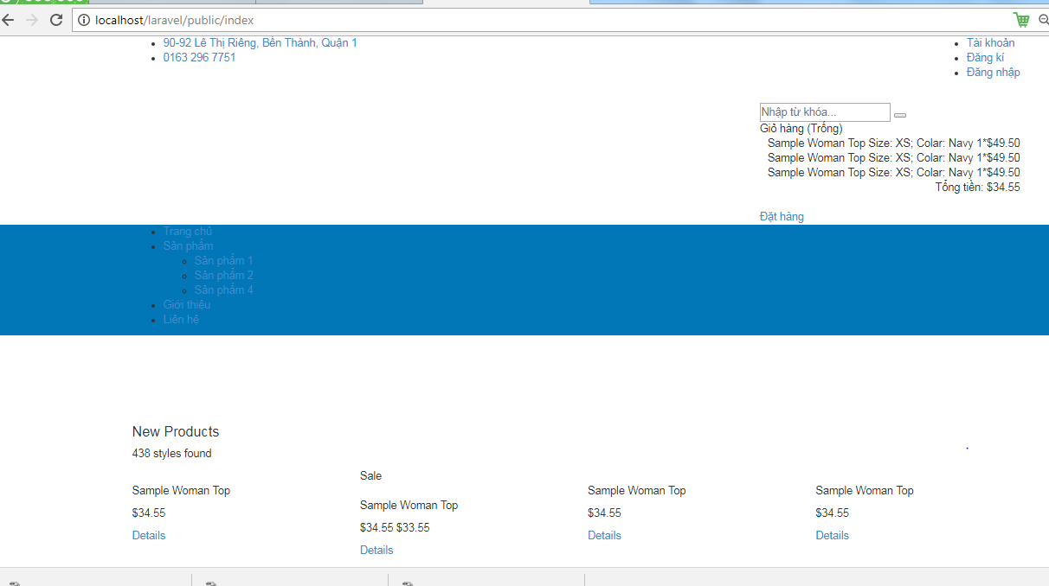

 | Khi thuc hien chay len, chung ta thay cac thu vien cua JS chua duoc load len va mot so hinh anh chua duoc load len
 | Chung ta can tien hanh tro dung duong dan cho no va them thuoc tinh the <base href="{{asset('')}} de thuc hien load cac thu vien hinh anh len ( Tro den dung duong dan thu muc Source la noi luu cac hinh anh

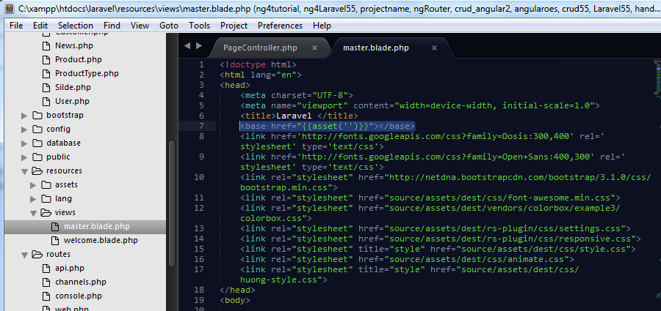
<!doctype html>
<html lang="en">
<head>
<meta charset="UTF-8">
<meta name="viewport" content="width=device-width, initial-scale=1.0">
<title>Laravel </title>
<base href="{{asset('')}}"></base>
<link href='http://fonts.googleapis.com/css?family=Dosis:300,400' rel='stylesheet' type='text/css'>
<link href='http://fonts.googleapis.com/css?family=Open+Sans:400,300' rel='stylesheet' type='text/css'>
<link rel="stylesheet" href="http://netdna.bootstrapcdn.com/bootstrap/3.1.0/css/bootstrap.min.css">
<link rel="stylesheet" href="source/assets/dest/css/font-awesome.min.css">
<link rel="stylesheet" href="source/assets/dest/vendors/colorbox/example3/colorbox.css">
<link rel="stylesheet" href="source/assets/dest/rs-plugin/css/settings.css">
<link rel="stylesheet" href="source/assets/dest/rs-plugin/css/responsive.css">
<link rel="stylesheet" title="style" href="source/assets/dest/css/style.css">
<link rel="stylesheet" href="source/assets/dest/css/animate.css">
<link rel="stylesheet" title="style" href="source/assets/dest/css/huong-style.css">
</head>
<body>
<div id="header">
<div class="header-top">
<div class="container">
<div class="pull-left auto-width-left">
<ul class="top-menu menu-beta l-inline">
<li><a href=""><i class="fa fa-home"></i> 90-92 Lê Thị Riêng, Bến Thành, Quận 1</a></li>
<li><a href=""><i class="fa fa-phone"></i> 0163 296 7751</a></li>
</ul>
</div>
<div class="pull-right auto-width-right">
<ul class="top-details menu-beta l-inline">
<li><a href="#"><i class="fa fa-user"></i>Tài khoản</a></li>
<li><a href="#">Đăng kí</a></li>
<li><a href="#">Đăng nhập</a></li>
</ul>
</div>
<div class="clearfix"></div>
</div> <!-- .container -->
</div> <!-- .header-top -->
<div class="header-body">
<div class="container beta-relative">
<div class="pull-left">
<a href="index.html" id="logo"><img src="source/assets/dest/images/logo-cake.png" width="200px" alt=""></a>
</div>
<div class="pull-right beta-components space-left ov">
<div class="space10">&nbsp;</div>
<div class="beta-comp">
<form role="search" method="get" id="searchform" action="/">
<input type="text" value="" name="s" id="s" placeholder="Nhập từ khóa..." />
<button class="fa fa-search" type="submit" id="searchsubmit"></button>
</form>
</div>
<div class="beta-comp">
<div class="cart">
<div class="beta-select"><i class="fa fa-shopping-cart"></i> Giỏ hàng (Trống) <i class="fa fa-chevron-down"></i></div>
<div class="beta-dropdown cart-body">
<div class="cart-item">
<div class="media">
<a class="pull-left" href="#"><img src="source/assets/dest/images/products/cart/1.png" alt=""></a>
<div class="media-body">
<span class="cart-item-title">Sample Woman Top</span>
<span class="cart-item-options">Size: XS; Colar: Navy</span>
<span class="cart-item-amount">1*<span>$49.50</span></span>
</div>
</div>
</div>
<div class="cart-item">
<div class="media">
<a class="pull-left" href="#"><img src="source/assets/dest/images/products/cart/2.png" alt=""></a>
<div class="media-body">
<span class="cart-item-title">Sample Woman Top</span>
<span class="cart-item-options">Size: XS; Colar: Navy</span>
<span class="cart-item-amount">1*<span>$49.50</span></span>
</div>
</div>
</div>
<div class="cart-item">
<div class="media">
<a class="pull-left" href="#"><img src="source/assets/dest/images/products/cart/3.png" alt=""></a>
<div class="media-body">
<span class="cart-item-title">Sample Woman Top</span>
<span class="cart-item-options">Size: XS; Colar: Navy</span>
<span class="cart-item-amount">1*<span>$49.50</span></span>
</div>
</div>
</div>
<div class="cart-caption">
<div class="cart-total text-right">Tổng tiền: <span class="cart-total-value">$34.55</span></div>
<div class="clearfix"></div>
<div class="center">
<div class="space10">&nbsp;</div>
<a href="checkout.html" class="beta-btn primary text-center">Đặt hàng <i class="fa fa-chevron-right"></i></a>
</div>
</div>
</div>
</div> <!-- .cart -->
</div>
</div>
<div class="clearfix"></div>
</div> <!-- .container -->
</div> <!-- .header-body -->
<div class="header-bottom" style="background-color: #0277b8;">
<div class="container">
<a class="visible-xs beta-menu-toggle pull-right" href="#"><span class='beta-menu-toggle-text'>Menu</span> <i class="fa fa-bars"></i></a>
<div class="visible-xs clearfix"></div>
<nav class="main-menu">
<ul class="l-inline ov">
<li><a href="index.html">Trang chủ</a></li>
<li><a href="#">Sản phẩm</a>
<ul class="sub-menu">
<li><a href="product_type.html">Sản phẩm 1</a></li>
<li><a href="product_type.html">Sản phẩm 2</a></li>
<li><a href="product_type.html">Sản phẩm 4</a></li>
</ul>
</li>
<li><a href="about.html">Giới thiệu</a></li>
<li><a href="contacts.html">Liên hệ</a></li>
</ul>
<div class="clearfix"></div>
</nav>
</div> <!-- .container -->
</div> <!-- .header-bottom -->
</div> <!-- #header -->
<div class="rev-slider">
<div class="fullwidthbanner-container">
<div class="fullwidthbanner">
<div class="bannercontainer" >
<div class="banner" >
<ul>
<!-- THE FIRST SLIDE -->
<li data-transition="boxfade" data-slotamount="20" class="active-revslide" style="width: 100%; height: 100%; overflow: hidden; z-index: 18; visibility: hidden; opacity: 0;">
<div class="slotholder" style="width:100%;height:100%;" data-duration="undefined" data-zoomstart="undefined" data-zoomend="undefined" data-rotationstart="undefined" data-rotationend="undefined" data-ease="undefined" data-bgpositionend="undefined" data-bgposition="undefined" data-kenburns="undefined" data-easeme="undefined" data-bgfit="undefined" data-bgfitend="undefined" data-owidth="undefined" data-oheight="undefined">
<div class="tp-bgimg defaultimg" data-lazyload="undefined" data-bgfit="cover" data-bgposition="center center" data-bgrepeat="no-repeat" data-lazydone="undefined" src="source/assets/dest/images/thumbs/1.jpg" data-src="assets/dest/images/thumbs/1.jpg" style="background-color: rgba(0, 0, 0, 0); background-repeat: no-repeat; background-image: url('source/assets/dest/images/thumbs/1.jpg'); background-size: cover; background-position: center center; width: 100%; height: 100%; opacity: 1; visibility: inherit;">
</div>
</div>
</li>
<li data-transition="boxfade" data-slotamount="20" class="active-revslide" style="width: 100%; height: 100%; overflow: hidden; z-index: 18; visibility: hidden; opacity: 0;">
<div class="slotholder" style="width:100%;height:100%;" data-duration="undefined" data-zoomstart="undefined" data-zoomend="undefined" data-rotationstart="undefined" data-rotationend="undefined" data-ease="undefined" data-bgpositionend="undefined" data-bgposition="undefined" data-kenburns="undefined" data-easeme="undefined" data-bgfit="undefined" data-bgfitend="undefined" data-owidth="undefined" data-oheight="undefined">
<div class="tp-bgimg defaultimg" data-lazyload="undefined" data-bgfit="cover" data-bgposition="center center" data-bgrepeat="no-repeat" data-lazydone="undefined" src="source/assets/dest/images/thumbs/1.jpg" data-src="source/assets/dest/images/thumbs/1.jpg" style="background-color: rgba(0, 0, 0, 0); background-repeat: no-repeat; background-image: url('assets/dest/images/thumbs/1.jpg'); background-size: cover; background-position: center center; width: 100%; height: 100%; opacity: 1; visibility: inherit;">
</div>
</div>
<li data-transition="boxfade" data-slotamount="20" class="active-revslide" style="width: 100%; height: 100%; overflow: hidden; z-index: 18; visibility: hidden; opacity: 0;">
<div class="slotholder" style="width:100%;height:100%;" data-duration="undefined" data-zoomstart="undefined" data-zoomend="undefined" data-rotationstart="undefined" data-rotationend="undefined" data-ease="undefined" data-bgpositionend="undefined" data-bgposition="undefined" data-kenburns="undefined" data-easeme="undefined" data-bgfit="undefined" data-bgfitend="undefined" data-owidth="undefined" data-oheight="undefined">
<div class="tp-bgimg defaultimg" data-lazyload="undefined" data-bgfit="cover" data-bgposition="center center" data-bgrepeat="no-repeat" data-lazydone="undefined" src="assets/dest/images/thumbs/1.jpg" data-src="source/assets/dest/images/thumbs/1.jpg" style="background-color: rgba(0, 0, 0, 0); background-repeat: no-repeat; background-image: url('source/assets/dest/images/thumbs/1.jpg'); background-size: cover; background-position: center center; width: 100%; height: 100%; opacity: 1; visibility: inherit;">
</div>
</div>
</li>
<li data-transition="boxfade" data-slotamount="20" class="active-revslide current-sr-slide-visible" style="width: 100%; height: 100%; overflow: hidden; visibility: inherit; opacity: 1; z-index: 20;">
<div class="slotholder" style="width:100%;height:100%;" data-duration="undefined" data-zoomstart="undefined" data-zoomend="undefined" data-rotationstart="undefined" data-rotationend="undefined" data-ease="undefined" data-bgpositionend="undefined" data-bgposition="undefined" data-kenburns="undefined" data-easeme="undefined" data-bgfit="undefined" data-bgfitend="undefined" data-owidth="undefined" data-oheight="undefined">
<div class="tp-bgimg defaultimg" data-lazyload="undefined" data-bgfit="cover" data-bgposition="center center" data-bgrepeat="no-repeat" data-lazydone="undefined" src="source/assets/dest/images/thumbs/1.jpg" data-src="assets/dest/images/thumbs/1.jpg" style="background-color: rgba(0, 0, 0, 0); background-repeat: no-repeat; background-image: url('source/assets/dest/images/thumbs/1.jpg'); background-size: cover; background-position: center center; width: 100%; height: 100%; opacity: 1; visibility: inherit;">
</div>
</div>
</li>
</ul>
</div>
</div>
<div class="tp-bannertimer"></div>
</div>
</div>
<!--slider-->
</div>
<div class="container">
<div id="content" class="space-top-none">
<div class="main-content">
<div class="space60">&nbsp;</div>
<div class="row">
<div class="col-sm-12">
<div class="beta-products-list">
<h4>New Products</h4>
<div class="beta-products-details">
<p class="pull-left">438 styles found</p>
<div class="clearfix"></div>
</div>
<div class="row">
<div class="col-sm-3">
<div class="single-item">
<div class="single-item-header">
<a href="product.html"><img src="source/assets/dest/images/products/1.jpg" alt=""></a>
</div>
<div class="single-item-body">
<p class="single-item-title">Sample Woman Top</p>
<p class="single-item-price">
<span>$34.55</span>
</p>
</div>
<div class="single-item-caption">
<a class="add-to-cart pull-left" href="shopping_cart.html"><i class="fa fa-shopping-cart"></i></a>
<a class="beta-btn primary" href="product.html">Details <i class="fa fa-chevron-right"></i></a>
<div class="clearfix"></div>
</div>
</div>
</div>
<div class="col-sm-3">
<div class="single-item">
<div class="ribbon-wrapper"><div class="ribbon sale">Sale</div></div>
<div class="single-item-header">
<a href="product.html"><img src="source/assets/dest/images/products/2.jpg" alt=""></a>
</div>
<div class="single-item-body">
<p class="single-item-title">Sample Woman Top</p>
<p class="single-item-price">
<span class="flash-del">$34.55</span>
<span class="flash-sale">$33.55</span>
</p>
</div>
<div class="single-item-caption">
<a class="add-to-cart pull-left" href="shopping_cart.html"><i class="fa fa-shopping-cart"></i></a>
<a class="beta-btn primary" href="product.html">Details <i class="fa fa-chevron-right"></i></a>
<div class="clearfix"></div>
</div>
</div>
</div>
<div class="col-sm-3">
<div class="single-item">
<div class="single-item-header">
<a href="product.html"><img src="source/assets/dest/images/products/3.jpg" alt=""></a>
</div>
<div class="single-item-body">
<p class="single-item-title">Sample Woman Top</p>
<p class="single-item-price">
<span>$34.55</span>
</p>
</div>
<div class="single-item-caption">
<a class="add-to-cart pull-left" href="shopping_cart.html"><i class="fa fa-shopping-cart"></i></a>
<a class="beta-btn primary" href="product.html">Details <i class="fa fa-chevron-right"></i></a>
<div class="clearfix"></div>
</div>
</div>
</div>
<div class="col-sm-3">
<div class="single-item">
<div class="single-item-header">
<a href="product.html"><img src="source/assets/dest/images/products/3.jpg" alt=""></a>
</div>
<div class="single-item-body">
<p class="single-item-title">Sample Woman Top</p>
<p class="single-item-price">
<span>$34.55</span>
</p>
</div>
<div class="single-item-caption">
<a class="add-to-cart pull-left" href="shopping_cart.html"><i class="fa fa-shopping-cart"></i></a>
<a class="beta-btn primary" href="product.html">Details <i class="fa fa-chevron-right"></i></a>
<div class="clearfix"></div>
</div>
</div>
</div>
</div>
</div> <!-- .beta-products-list -->
<div class="space50">&nbsp;</div>
<div class="beta-products-list">
<h4>Top Products</h4>
<div class="beta-products-details">
<p class="pull-left">438 styles found</p>
<div class="clearfix"></div>
</div>
<div class="row">
<div class="col-sm-3">
<div class="single-item">
<div class="single-item-header">
<a href="product.html"><img src="source/assets/dest/images/products/1.jpg" alt=""></a>
</div>
<div class="single-item-body">
<p class="single-item-title">Sample Woman Top</p>
<p class="single-item-price">
<span>$34.55</span>
</p>
</div>
<div class="single-item-caption">
<a class="add-to-cart pull-left" href="shopping_cart.html"><i class="fa fa-shopping-cart"></i></a>
<a class="beta-btn primary" href="product.html">Details <i class="fa fa-chevron-right"></i></a>
<div class="clearfix"></div>
</div>
</div>
</div>
<div class="col-sm-3">
<div class="single-item">
<div class="ribbon-wrapper"><div class="ribbon sale">Sale</div></div>
<div class="single-item-header">
<a href="product.html"><img src="source/assets/dest/images/products/2.jpg" alt=""></a>
</div>
<div class="single-item-body">
<p class="single-item-title">Sample Woman Top</p>
<p class="single-item-price">
<span class="flash-del">$34.55</span>
<span class="flash-sale">$33.55</span>
</p>
</div>
<div class="single-item-caption">
<a class="add-to-cart pull-left" href="shopping_cart.html"><i class="fa fa-shopping-cart"></i></a>
<a class="beta-btn primary" href="product.html">Details <i class="fa fa-chevron-right"></i></a>
<div class="clearfix"></div>
</div>
</div>
</div>
<div class="col-sm-3">
<div class="single-item">
<div class="single-item-header">
<a href="product.html"><img src="source/assets/dest/images/products/3.jpg" alt=""></a>
</div>
<div class="single-item-body">
<p class="single-item-title">Sample Woman Top</p>
<p class="single-item-price">
<span>$34.55</span>
</p>
</div>
<div class="single-item-caption">
<a class="add-to-cart pull-left" href="shopping_cart.html"><i class="fa fa-shopping-cart"></i></a>
<a class="beta-btn primary" href="product.html">Details <i class="fa fa-chevron-right"></i></a>
<div class="clearfix"></div>
</div>
</div>
</div>
<div class="col-sm-3">
<div class="single-item">
<div class="single-item-header">
<a href="product.html"><img src="source/assets/dest/images/products/3.jpg" alt=""></a>
</div>
<div class="single-item-body">
<p class="single-item-title">Sample Woman Top</p>
<p class="single-item-price">
<span>$34.55</span>
</p>
</div>
<div class="single-item-caption">
<a class="add-to-cart pull-left" href="shopping_cart.html"><i class="fa fa-shopping-cart"></i></a>
<a class="beta-btn primary" href="product.html">Details <i class="fa fa-chevron-right"></i></a>
<div class="clearfix"></div>
</div>
</div>
</div>
</div>
<div class="space40">&nbsp;</div>
<div class="row">
<div class="col-sm-3">
<div class="single-item">
<div class="single-item-header">
<a href="product.html"><img src="source/assets/dest/images/products/1.jpg" alt=""></a>
</div>
<div class="single-item-body">
<p class="single-item-title">Sample Woman Top</p>
<p class="single-item-price">
<span>$34.55</span>
</p>
</div>
<div class="single-item-caption">
<a class="add-to-cart pull-left" href="shopping_cart.html"><i class="fa fa-shopping-cart"></i></a>
<a class="beta-btn primary" href="product.html">Details <i class="fa fa-chevron-right"></i></a>
<div class="clearfix"></div>
</div>
</div>
</div>
<div class="col-sm-3">
<div class="single-item">
<div class="ribbon-wrapper"><div class="ribbon sale">Sale</div></div>
<div class="single-item-header">
<a href="product.html"><img src="source/assets/dest/images/products/2.jpg" alt=""></a>
</div>
<div class="single-item-body">
<p class="single-item-title">Sample Woman Top</p>
<p class="single-item-price">
<span class="flash-del">$34.55</span>
<span class="flash-sale">$33.55</span>
</p>
</div>
<div class="single-item-caption">
<a class="add-to-cart pull-left" href="shopping_cart.html"><i class="fa fa-shopping-cart"></i></a>
<a class="beta-btn primary" href="product.html">Details <i class="fa fa-chevron-right"></i></a>
<div class="clearfix"></div>
</div>
</div>
</div>
<div class="col-sm-3">
<div class="single-item">
<div class="single-item-header">
<a href="product.html"><img src="source/assets/dest/images/products/3.jpg" alt=""></a>
</div>
<div class="single-item-body">
<p class="single-item-title">Sample Woman Top</p>
<p class="single-item-price">
<span>$34.55</span>
</p>
</div>
<div class="single-item-caption">
<a class="add-to-cart pull-left" href="shopping_cart.html"><i class="fa fa-shopping-cart"></i></a>
<a class="beta-btn primary" href="product.html">Details <i class="fa fa-chevron-right"></i></a>
<div class="clearfix"></div>
</div>
</div>
</div>
<div class="col-sm-3">
<div class="single-item">
<div class="single-item-header">
<a href="product.html"><img src="source/assets/dest/images/products/3.jpg" alt=""></a>
</div>
<div class="single-item-body">
<p class="single-item-title">Sample Woman Top</p>
<p class="single-item-price">
<span>$34.55</span>
</p>
</div>
<div class="single-item-caption">
<a class="add-to-cart pull-left" href="shopping_cart.html"><i class="fa fa-shopping-cart"></i></a>
<a class="beta-btn primary" href="product.html">Details <i class="fa fa-chevron-right"></i></a>
<div class="clearfix"></div>
</div>
</div>
</div>
</div>
</div> <!-- .beta-products-list -->
</div>
</div> <!-- end section with sidebar and main content -->
</div> <!-- .main-content -->
</div> <!-- #content -->
</div> <!-- .container -->
<div id="footer" class="color-div">
<div class="container">
<div class="row">
<div class="col-sm-3">
<div class="widget">
<h4 class="widget-title">Instagram Feed</h4>
<div id="beta-instagram-feed"><div></div></div>
</div>
</div>
<div class="col-sm-2">
<div class="widget">
<h4 class="widget-title">Information</h4>
<div>
<ul>
<li><a href="blog_fullwidth_2col.html"><i class="fa fa-chevron-right"></i> Web Design</a></li>
<li><a href="blog_fullwidth_2col.html"><i class="fa fa-chevron-right"></i> Web development</a></li>
<li><a href="blog_fullwidth_2col.html"><i class="fa fa-chevron-right"></i> Marketing</a></li>
<li><a href="blog_fullwidth_2col.html"><i class="fa fa-chevron-right"></i> Tips</a></li>
<li><a href="blog_fullwidth_2col.html"><i class="fa fa-chevron-right"></i> Resources</a></li>
<li><a href="blog_fullwidth_2col.html"><i class="fa fa-chevron-right"></i> Illustrations</a></li>
</ul>
</div>
</div>
</div>
<div class="col-sm-4">
<div class="col-sm-10">
<div class="widget">
<h4 class="widget-title">Contact Us</h4>
<div>
<div class="contact-info">
<i class="fa fa-map-marker"></i>
<p>30 South Park Avenue San Francisco, CA 94108 Phone: +78 123 456 78</p>
<p>Nemo enim ipsam voluptatem quia voluptas sit asnatur aut odit aut fugit, sed quia consequuntur magni dolores eos qui ratione.</p>
</div>
</div>
</div>
</div>
</div>
<div class="col-sm-3">
<div class="widget">
<h4 class="widget-title">Newsletter Subscribe</h4>
<form action="#" method="post">
<input type="email" name="your_email">
<button class="pull-right" type="submit">Subscribe <i class="fa fa-chevron-right"></i></button>
</form>
</div>
</div>
</div> <!-- .row -->
</div> <!-- .container -->
</div> <!-- #footer -->
<div class="copyright">
<div class="container">
<p class="pull-left">Privacy policy. (&copy;) 2014</p>
<p class="pull-right pay-options">
<a href="#"><img src="source/assets/dest/images/pay/master.jpg" alt="" /></a>
<a href="#"><img src="source/assets/dest/images/pay/pay.jpg" alt="" /></a>
<a href="#"><img src="source/assets/dest/images/pay/visa.jpg" alt="" /></a>
<a href="#"><img src="source/assets/dest/images/pay/paypal.jpg" alt="" /></a>
</p>
<div class="clearfix"></div>
</div> <!-- .container -->
</div> <!-- .copyright -->
<!-- include js files -->
<script src="source/assets/dest/js/jquery.js"></script>
<script src="source/assets/dest/vendors/jqueryui/jquery-ui-1.10.4.custom.min.js"></script>
<script src="http://netdna.bootstrapcdn.com/bootstrap/3.1.0/js/bootstrap.min.js"></script>
<script src="source/assets/dest/vendors/bxslider/jquery.bxslider.min.js"></script>
<script src="source/assets/dest/vendors/colorbox/jquery.colorbox-min.js"></script>
<script src="source/assets/dest/vendors/animo/Animo.js"></script>
<script src="source/assets/dest/vendors/dug/dug.js"></script>
<script src="source/assets/dest/js/scripts.min.js"></script>
<script src="source/assets/dest/rs-plugin/js/jquery.themepunch.tools.min.js"></script>
<script src="source/assets/dest/rs-plugin/js/jquery.themepunch.revolution.min.js"></script>
<script src="source/assets/dest/js/waypoints.min.js"></script>
<script src="source/assets/dest/js/wow.min.js"></script>
<!--customjs-->
<script src="source/assets/dest/js/custom2.js"></script>
<script>
$(document).ready(function($) {
$(window).scroll(function(){
if($(this).scrollTop()>150){
$(".header-bottom").addClass('fixNav')
}else{
$(".header-bottom").removeClass('fixNav')
}}
)
})
</script>
</body>
</html>

 | Cuoi cung, chung ta co giao dien trang chu

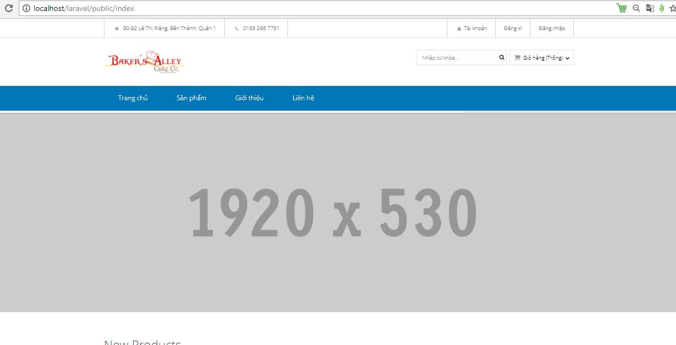

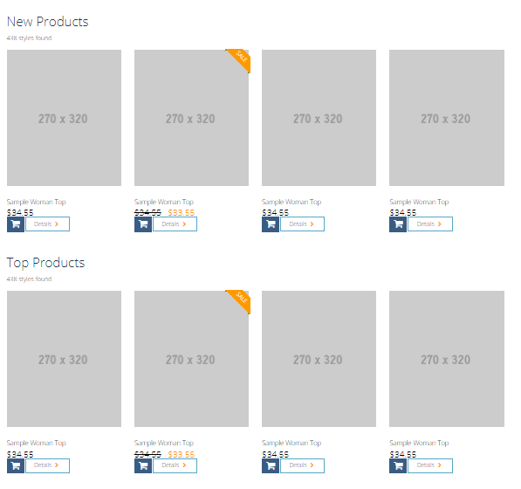

 |  |  | Tien hanh cat nho giao dien cua trang chu ra thành nhung phan nho

 |  |  | Trong thu muc view, tien hanh tao mot thu muc con co ten la page, trong thu muc nay, tao 1 file co ten la trangchu.blade.php
 |  |  | Mo trang master.balde.php ra, roitien hanh thu nho tag (phan code) cua html cua slide va containner lai
 |  |  | Sau do, tien hanh cat(cut) 2 phan code nay va tien hanh dan(paste) vao trang page.blade.php

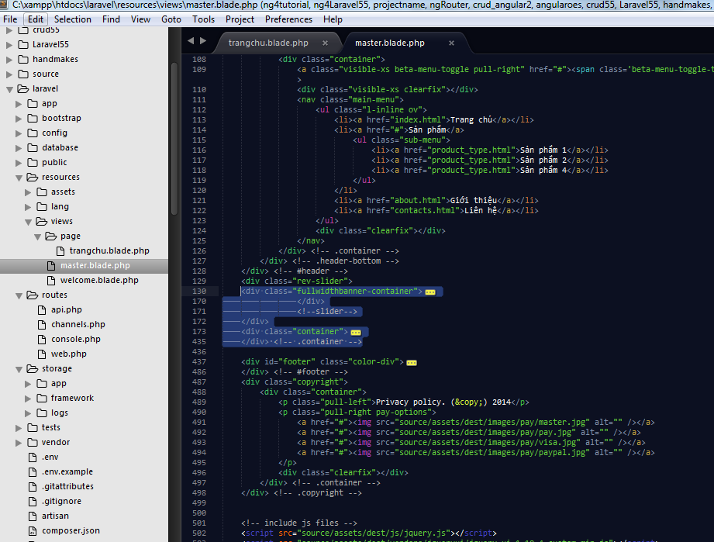

Thu nho code html lai de cho de cat(cut) va dan(paste) vao trang chu

<div class="fullwidthbanner-container">
<div class="fullwidthbanner">
<div class="bannercontainer" >
<div class="banner" >
<ul>
<!-- THE FIRST SLIDE -->
<li data-transition="boxfade" data-slotamount="20" class="active-revslide" style="width: 100%; height: 100%; overflow: hidden; z-index: 18; visibility: hidden; opacity: 0;">
<div class="slotholder" style="width:100%;height:100%;" data-duration="undefined" data-zoomstart="undefined" data-zoomend="undefined" data-rotationstart="undefined" data-rotationend="undefined" data-ease="undefined" data-bgpositionend="undefined" data-bgposition="undefined" data-kenburns="undefined" data-easeme="undefined" data-bgfit="undefined" data-bgfitend="undefined" data-owidth="undefined" data-oheight="undefined">
<div class="tp-bgimg defaultimg" data-lazyload="undefined" data-bgfit="cover" data-bgposition="center center" data-bgrepeat="no-repeat" data-lazydone="undefined" src="source/assets/dest/images/thumbs/1.jpg" data-src="assets/dest/images/thumbs/1.jpg" style="background-color: rgba(0, 0, 0, 0); background-repeat: no-repeat; background-image: url('source/assets/dest/images/thumbs/1.jpg'); background-size: cover; background-position: center center; width: 100%; height: 100%; opacity: 1; visibility: inherit;">
</div>
</div>
</li>
<li data-transition="boxfade" data-slotamount="20" class="active-revslide" style="width: 100%; height: 100%; overflow: hidden; z-index: 18; visibility: hidden; opacity: 0;">
<div class="slotholder" style="width:100%;height:100%;" data-duration="undefined" data-zoomstart="undefined" data-zoomend="undefined" data-rotationstart="undefined" data-rotationend="undefined" data-ease="undefined" data-bgpositionend="undefined" data-bgposition="undefined" data-kenburns="undefined" data-easeme="undefined" data-bgfit="undefined" data-bgfitend="undefined" data-owidth="undefined" data-oheight="undefined">
<div class="tp-bgimg defaultimg" data-lazyload="undefined" data-bgfit="cover" data-bgposition="center center" data-bgrepeat="no-repeat" data-lazydone="undefined" src="source/assets/dest/images/thumbs/1.jpg" data-src="source/assets/dest/images/thumbs/1.jpg" style="background-color: rgba(0, 0, 0, 0); background-repeat: no-repeat; background-image: url('assets/dest/images/thumbs/1.jpg'); background-size: cover; background-position: center center; width: 100%; height: 100%; opacity: 1; visibility: inherit;">
</div>
</div>
<li data-transition="boxfade" data-slotamount="20" class="active-revslide" style="width: 100%; height: 100%; overflow: hidden; z-index: 18; visibility: hidden; opacity: 0;">
<div class="slotholder" style="width:100%;height:100%;" data-duration="undefined" data-zoomstart="undefined" data-zoomend="undefined" data-rotationstart="undefined" data-rotationend="undefined" data-ease="undefined" data-bgpositionend="undefined" data-bgposition="undefined" data-kenburns="undefined" data-easeme="undefined" data-bgfit="undefined" data-bgfitend="undefined" data-owidth="undefined" data-oheight="undefined">
<div class="tp-bgimg defaultimg" data-lazyload="undefined" data-bgfit="cover" data-bgposition="center center" data-bgrepeat="no-repeat" data-lazydone="undefined" src="assets/dest/images/thumbs/1.jpg" data-src="source/assets/dest/images/thumbs/1.jpg" style="background-color: rgba(0, 0, 0, 0); background-repeat: no-repeat; background-image: url('source/assets/dest/images/thumbs/1.jpg'); background-size: cover; background-position: center center; width: 100%; height: 100%; opacity: 1; visibility: inherit;">
</div>
</div>
</li>
<li data-transition="boxfade" data-slotamount="20" class="active-revslide current-sr-slide-visible" style="width: 100%; height: 100%; overflow: hidden; visibility: inherit; opacity: 1; z-index: 20;">
<div class="slotholder" style="width:100%;height:100%;" data-duration="undefined" data-zoomstart="undefined" data-zoomend="undefined" data-rotationstart="undefined" data-rotationend="undefined" data-ease="undefined" data-bgpositionend="undefined" data-bgposition="undefined" data-kenburns="undefined" data-easeme="undefined" data-bgfit="undefined" data-bgfitend="undefined" data-owidth="undefined" data-oheight="undefined">
<div class="tp-bgimg defaultimg" data-lazyload="undefined" data-bgfit="cover" data-bgposition="center center" data-bgrepeat="no-repeat" data-lazydone="undefined" src="source/assets/dest/images/thumbs/1.jpg" data-src="assets/dest/images/thumbs/1.jpg" style="background-color: rgba(0, 0, 0, 0); background-repeat: no-repeat; background-image: url('source/assets/dest/images/thumbs/1.jpg'); background-size: cover; background-position: center center; width: 100%; height: 100%; opacity: 1; visibility: inherit;">
</div>
</div>
</li>
</ul>
</div>
</div>
<div class="tp-bannertimer"></div>
</div>
</div>
<!--slider-->
</div>
<div class="container">
<div id="content" class="space-top-none">
<div class="main-content">
<div class="space60">&nbsp;</div>
<div class="row">
<div class="col-sm-12">
<div class="beta-products-list">
<h4>New Products</h4>
<div class="beta-products-details">
<p class="pull-left">438 styles found</p>
<div class="clearfix"></div>
</div>
<div class="row">
<div class="col-sm-3">
<div class="single-item">
<div class="single-item-header">
<a href="product.html"><img src="source/assets/dest/images/products/1.jpg" alt=""></a>
</div>
<div class="single-item-body">
<p class="single-item-title">Sample Woman Top</p>
<p class="single-item-price">
<span>$34.55</span>
</p>
</div>
<div class="single-item-caption">
<a class="add-to-cart pull-left" href="shopping_cart.html"><i class="fa fa-shopping-cart"></i></a>
<a class="beta-btn primary" href="product.html">Details <i class="fa fa-chevron-right"></i></a>
<div class="clearfix"></div>
</div>
</div>
</div>
<div class="col-sm-3">
<div class="single-item">
<div class="ribbon-wrapper"><div class="ribbon sale">Sale</div></div>
<div class="single-item-header">
<a href="product.html"><img src="source/assets/dest/images/products/2.jpg" alt=""></a>
</div>
<div class="single-item-body">
<p class="single-item-title">Sample Woman Top</p>
<p class="single-item-price">
<span class="flash-del">$34.55</span>
<span class="flash-sale">$33.55</span>
</p>
</div>
<div class="single-item-caption">
<a class="add-to-cart pull-left" href="shopping_cart.html"><i class="fa fa-shopping-cart"></i></a>
<a class="beta-btn primary" href="product.html">Details <i class="fa fa-chevron-right"></i></a>
<div class="clearfix"></div>
</div>
</div>
</div>
<div class="col-sm-3">
<div class="single-item">
<div class="single-item-header">
<a href="product.html"><img src="source/assets/dest/images/products/3.jpg" alt=""></a>
</div>
<div class="single-item-body">
<p class="single-item-title">Sample Woman Top</p>
<p class="single-item-price">
<span>$34.55</span>
</p>
</div>
<div class="single-item-caption">
<a class="add-to-cart pull-left" href="shopping_cart.html"><i class="fa fa-shopping-cart"></i></a>
<a class="beta-btn primary" href="product.html">Details <i class="fa fa-chevron-right"></i></a>
<div class="clearfix"></div>
</div>
</div>
</div>
<div class="col-sm-3">
<div class="single-item">
<div class="single-item-header">
<a href="product.html"><img src="source/assets/dest/images/products/3.jpg" alt=""></a>
</div>
<div class="single-item-body">
<p class="single-item-title">Sample Woman Top</p>
<p class="single-item-price">
<span>$34.55</span>
</p>
</div>
<div class="single-item-caption">
<a class="add-to-cart pull-left" href="shopping_cart.html"><i class="fa fa-shopping-cart"></i></a>
<a class="beta-btn primary" href="product.html">Details <i class="fa fa-chevron-right"></i></a>
<div class="clearfix"></div>
</div>
</div>
</div>
</div>
</div> <!-- .beta-products-list -->
<div class="space50">&nbsp;</div>
<div class="beta-products-list">
<h4>Top Products</h4>
<div class="beta-products-details">
<p class="pull-left">438 styles found</p>
<div class="clearfix"></div>
</div>
<div class="row">
<div class="col-sm-3">
<div class="single-item">
<div class="single-item-header">
<a href="product.html"><img src="source/assets/dest/images/products/1.jpg" alt=""></a>
</div>
<div class="single-item-body">
<p class="single-item-title">Sample Woman Top</p>
<p class="single-item-price">
<span>$34.55</span>
</p>
</div>
<div class="single-item-caption">
<a class="add-to-cart pull-left" href="shopping_cart.html"><i class="fa fa-shopping-cart"></i></a>
<a class="beta-btn primary" href="product.html">Details <i class="fa fa-chevron-right"></i></a>
<div class="clearfix"></div>
</div>
</div>
</div>
<div class="col-sm-3">
<div class="single-item">
<div class="ribbon-wrapper"><div class="ribbon sale">Sale</div></div>
<div class="single-item-header">
<a href="product.html"><img src="source/assets/dest/images/products/2.jpg" alt=""></a>
</div>
<div class="single-item-body">
<p class="single-item-title">Sample Woman Top</p>
<p class="single-item-price">
<span class="flash-del">$34.55</span>
<span class="flash-sale">$33.55</span>
</p>
</div>
<div class="single-item-caption">
<a class="add-to-cart pull-left" href="shopping_cart.html"><i class="fa fa-shopping-cart"></i></a>
<a class="beta-btn primary" href="product.html">Details <i class="fa fa-chevron-right"></i></a>
<div class="clearfix"></div>
</div>
</div>
</div>
<div class="col-sm-3">
<div class="single-item">
<div class="single-item-header">
<a href="product.html"><img src="source/assets/dest/images/products/3.jpg" alt=""></a>
</div>
<div class="single-item-body">
<p class="single-item-title">Sample Woman Top</p>
<p class="single-item-price">
<span>$34.55</span>
</p>
</div>
<div class="single-item-caption">
<a class="add-to-cart pull-left" href="shopping_cart.html"><i class="fa fa-shopping-cart"></i></a>
<a class="beta-btn primary" href="product.html">Details <i class="fa fa-chevron-right"></i></a>
<div class="clearfix"></div>
</div>
</div>
</div>
<div class="col-sm-3">
<div class="single-item">
<div class="single-item-header">
<a href="product.html"><img src="source/assets/dest/images/products/3.jpg" alt=""></a>
</div>
<div class="single-item-body">
<p class="single-item-title">Sample Woman Top</p>
<p class="single-item-price">
<span>$34.55</span>
</p>
</div>
<div class="single-item-caption">
<a class="add-to-cart pull-left" href="shopping_cart.html"><i class="fa fa-shopping-cart"></i></a>
<a class="beta-btn primary" href="product.html">Details <i class="fa fa-chevron-right"></i></a>
<div class="clearfix"></div>
</div>
</div>
</div>
</div>
<div class="space40">&nbsp;</div>
<div class="row">
<div class="col-sm-3">
<div class="single-item">
<div class="single-item-header">
<a href="product.html"><img src="source/assets/dest/images/products/1.jpg" alt=""></a>
</div>
<div class="single-item-body">
<p class="single-item-title">Sample Woman Top</p>
<p class="single-item-price">
<span>$34.55</span>
</p>
</div>
<div class="single-item-caption">
<a class="add-to-cart pull-left" href="shopping_cart.html"><i class="fa fa-shopping-cart"></i></a>
<a class="beta-btn primary" href="product.html">Details <i class="fa fa-chevron-right"></i></a>
<div class="clearfix"></div>
</div>
</div>
</div>
<div class="col-sm-3">
<div class="single-item">
<div class="ribbon-wrapper"><div class="ribbon sale">Sale</div></div>
<div class="single-item-header">
<a href="product.html"><img src="source/assets/dest/images/products/2.jpg" alt=""></a>
</div>
<div class="single-item-body">
<p class="single-item-title">Sample Woman Top</p>
<p class="single-item-price">
<span class="flash-del">$34.55</span>
<span class="flash-sale">$33.55</span>
</p>
</div>
<div class="single-item-caption">
<a class="add-to-cart pull-left" href="shopping_cart.html"><i class="fa fa-shopping-cart"></i></a>
<a class="beta-btn primary" href="product.html">Details <i class="fa fa-chevron-right"></i></a>
<div class="clearfix"></div>
</div>
</div>
</div>
<div class="col-sm-3">
<div class="single-item">
<div class="single-item-header">
<a href="product.html"><img src="source/assets/dest/images/products/3.jpg" alt=""></a>
</div>
<div class="single-item-body">
<p class="single-item-title">Sample Woman Top</p>
<p class="single-item-price">
<span>$34.55</span>
</p>
</div>
<div class="single-item-caption">
<a class="add-to-cart pull-left" href="shopping_cart.html"><i class="fa fa-shopping-cart"></i></a>
<a class="beta-btn primary" href="product.html">Details <i class="fa fa-chevron-right"></i></a>
<div class="clearfix"></div>
</div>
</div>
</div>
<div class="col-sm-3">
<div class="single-item">
<div class="single-item-header">
<a href="product.html"><img src="source/assets/dest/images/products/3.jpg" alt=""></a>
</div>
<div class="single-item-body">
<p class="single-item-title">Sample Woman Top</p>
<p class="single-item-price">
<span>$34.55</span>
</p>
</div>
<div class="single-item-caption">
<a class="add-to-cart pull-left" href="shopping_cart.html"><i class="fa fa-shopping-cart"></i></a>
<a class="beta-btn primary" href="product.html">Details <i class="fa fa-chevron-right"></i></a>
<div class="clearfix"></div>
</div>
</div>
</div>
</div>
</div> <!-- .beta-products-list -->
</div>
</div> <!-- end section with sidebar and main content -->
</div> <!-- .main-content -->
</div> <!-- #content -->
 |  | Code trang chu

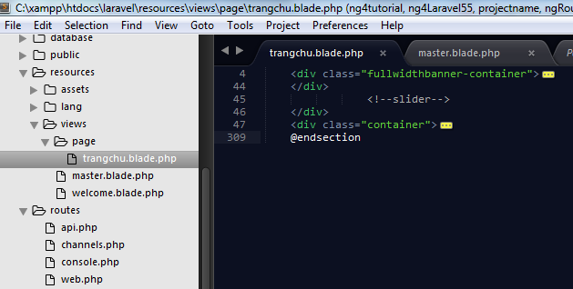

 | Tro ve trang master.blade.php, chung ta tien hanh them

 |  |  |  | @yield('content') vao phan chung ta MOI VUA cat content

 |  | Luc nay Code cua trang chu nhu sau

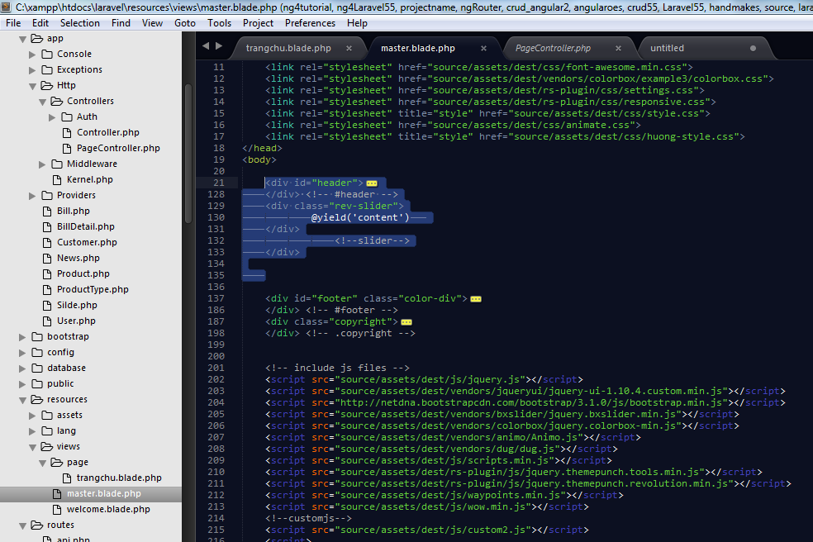

 |  | Va chung ta quay ve trang chu, them phan extends( phan thua huong cua trang master vao

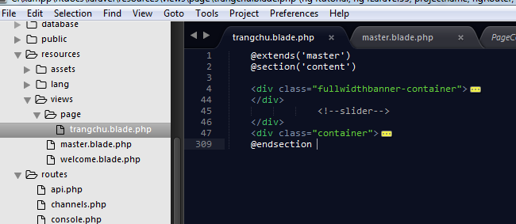

ke thua

Goi lai phan minh da cat

Goi lai phan minh da cat

 | Den phan pagecontroller, chung ta tien hanh sua lai code nhu sau ( luc nay tra ve view la trangchu.blade.php nam trong thu muc Page)

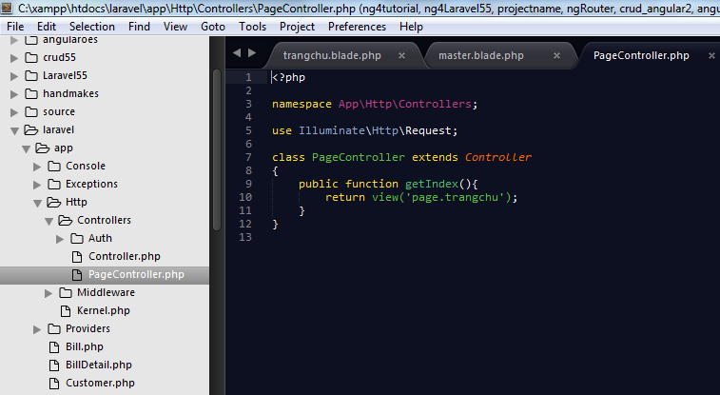

 | Chay lai, chung ta thay kg co gi thay doi ( load len du cac thanh phan

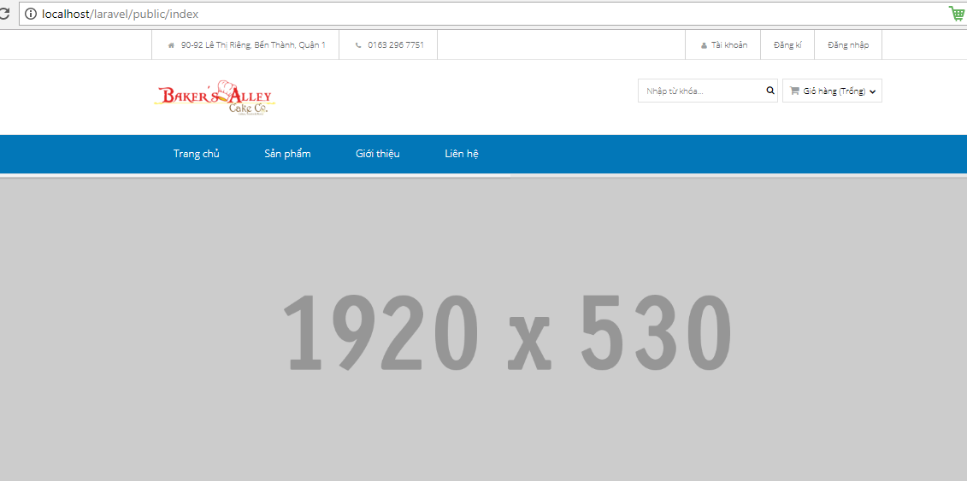

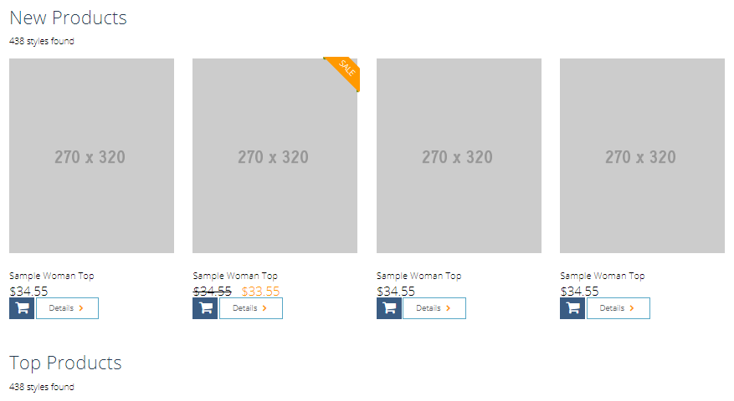

 | Chung ta tiep tuc cat cac phan con lai ( header, footer)

 |  |  | Trong thu muc View, Chung ta tien hanh tao cac files: hearder.balde.php va footer.balde.php

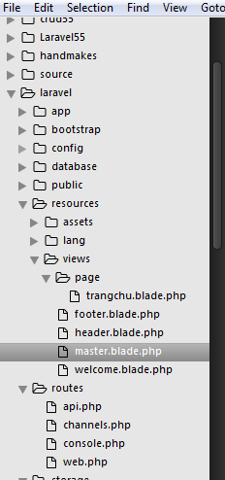

 | Chung ta vao trang master.blade.php, tien hanh cat cac phan do va dan vao cac file do, sau do, tai trang master, chung ta tien hanh include() nhung file nay vao cho no

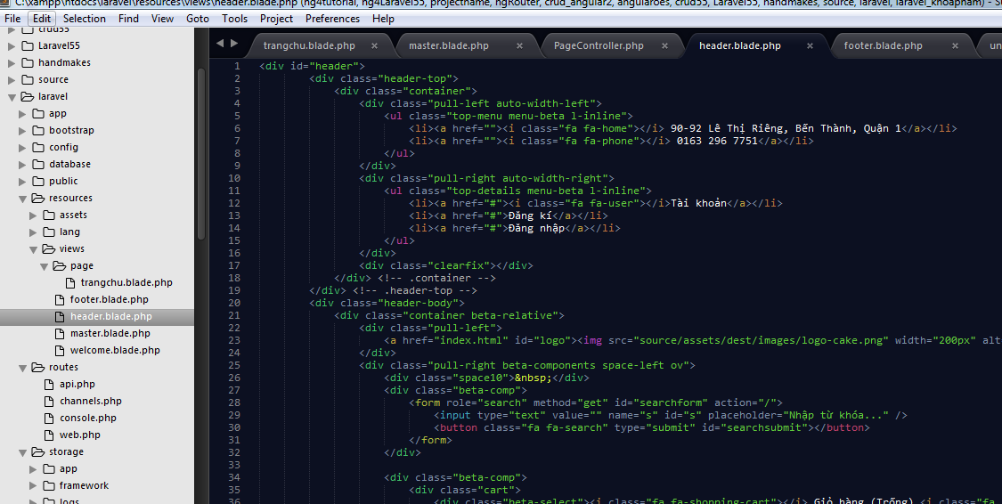
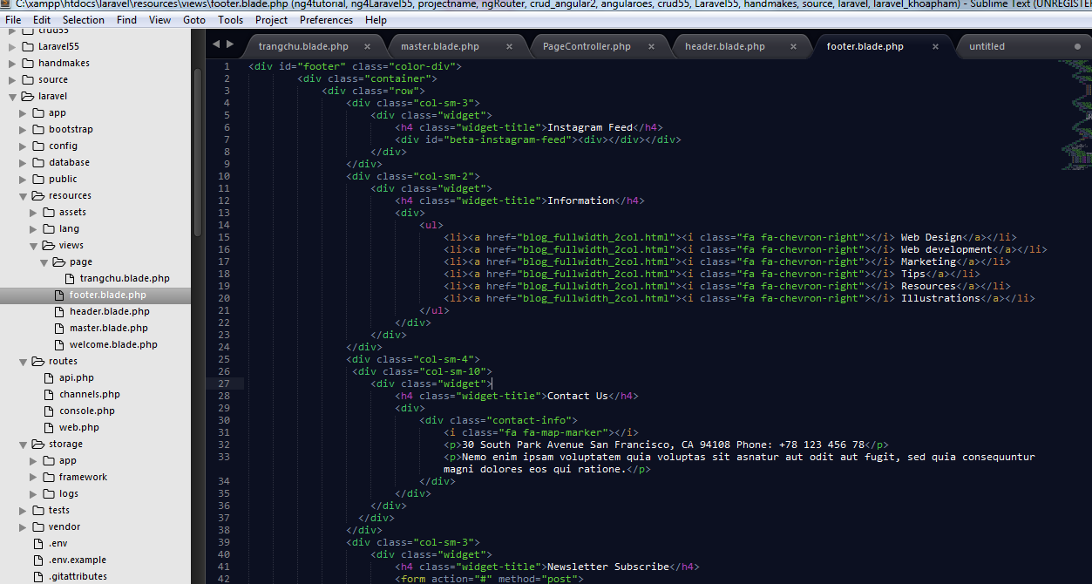

 | Trang master.blade.php luc nay

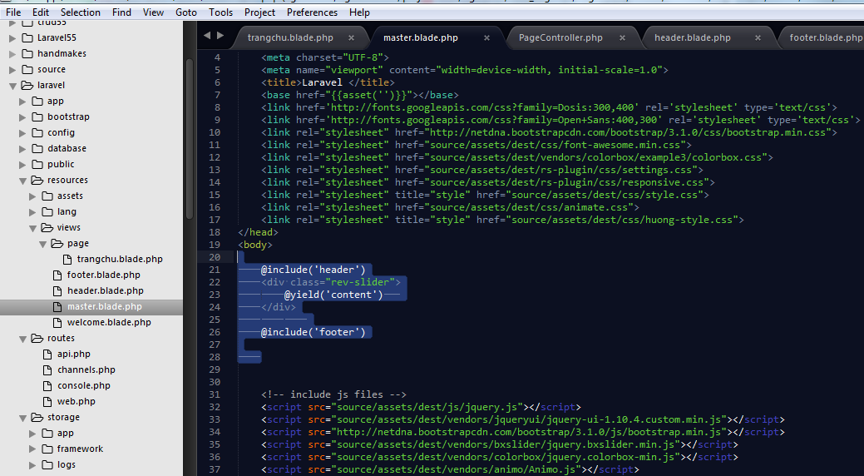

Va tuong tu, chung ta co the cat phan code cua file js ra luon

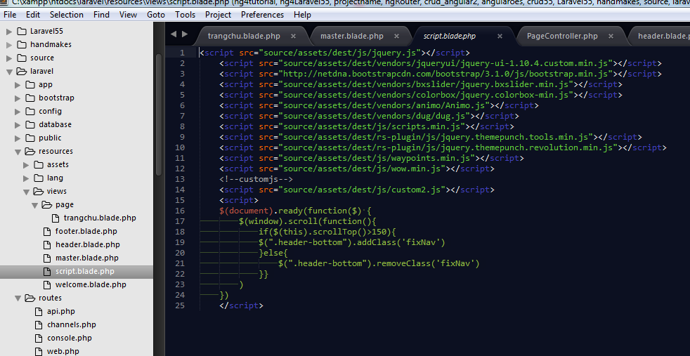

Trang master.blade.php luc nay

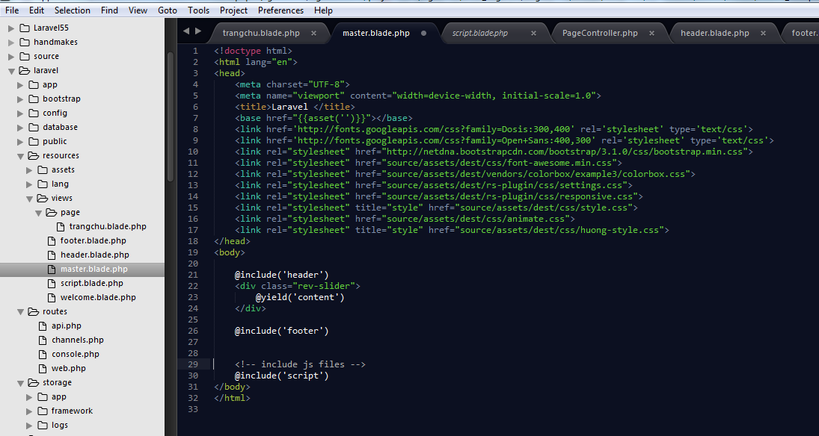

 | Chay lai, OK

